Sheet1
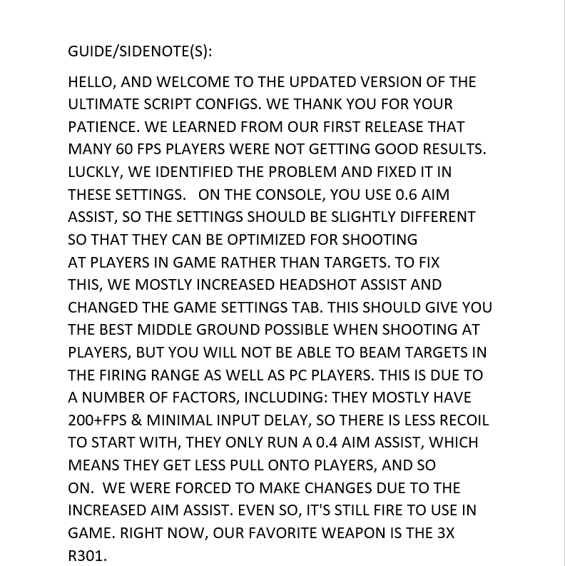
CZA ULTIMATE SCRIPT PERSONAL CONFIGS
ULTIMATE SCRIPT OPTIMISATION
To use your configs please get the ultimate script up on your zen and
navigate through the menus. To open menu use LT+MENU (XBOX) or
L2+OPTIONS (PS). The settings below are noted in chronological order
according to the menu so feel free to follow along.

MOD MENU

Legend: Personal Preference

Aim assist primary: |  | (To turn this on use LT+DOWN DPAD (XBOX) L2+DOWN DPAD (PS)
Type: v6 ++
When: ADS + FIRE
AA TYPE: POLAR
Shape: CIRCULAR
Direction: OFF
ADS Speed: 10
Speed: 10
Radius: 10
BST On Fire: OFF
Invert BST: OFF
Boost STR: 10
Boost SPD:10
Tracking: ON
Tracking Size: 5
Tracking Speed: 5

Aim assist secondary: |  |  | (To turn this on use LT+DOWN DPAD (XBOX) L2+DOWN DPAD (PS)
Type: v6 ++
When: ADS + FIRE
AA TYPE: POLAR
Shape: POLAR
Direction: OFF
ADS Speed: 10
Speed: 10
Radius: 10
BST On Fire: OFF
Invert BST: OFF
Boost STR: 10
Boost SPD:10
Tracking: OFF
Tracking Size: 0
Tracking Speed: 0

Headshot Assist:
Toggle: ON
Strength: 10 | 98
Hold Time: 0 |  | (very important)

Steady Aim:
Toggle: OFF

Shot Mods:
ALL PERSONAL PREFERENCE (SEE WHAT YOU LIKE USING THESE ARE NOT MANDATORY)

Movement:
ALL PERSONAL PREFERENCE (SEE WHAT YOU LIKE USING THESE ARE NOT MANDATORY)

Weapon Mods:
Swap: AUTO
Holster: NONE
ADS Unholster: OFF
Weapon Select: OLD
AR ADS X: | 0
AR ADS Y: | 10
AR HIP X: 0
AR HIP Y: 0

Quick Primary:
ALL PERSONAL PREFERENCE (SEE WHAT YOU LIKE USING THESE ARE NOT MANDATORY)

Quick Secondary:
ALL PERSONAL PREFERENCE (SEE WHAT YOU LIKE USING THESE ARE NOT MANDATORY)

Miscellaneous:
ALL PERSONAL PREFERENCE (SEE WHAT YOU LIKE USING THESE ARE NOT MANDATORY)

Game Settings:
(THESE ARE FOR THE TAB "GAME SETTINGS" LISTED INSIDE THE MOD MENU PLEASE USE THESE WITH 5-4 CLASSIC NO DEADZONE 110 FOV) MORE AVAILABILITY FOR OTHER SETTINGS COMING SOON…

YAW: |  | 300
PITCH: |  | 180
ADS YAW: |  | 90
ADS PITCH: |  | 30
DEADZONE: |  | 5
RESPONSE CURVE: |  | 9

Controller:
ADS+FIRE x: 99
ADS+FIRE y: 99
HIPFIRE x : 99
HIPFIRE y: 99
Layout: PERSONAL PREFERENCE (USE WHATVEVER BUTTON LAYOUT YOU USE IN GAME) |  |  |  | MAKE SURE IT MATCHES OR YOU WILL EXPERIENCE BUGS LIKE THE CONSTANT CROUCH ETC.

AR Workshop:
Toggle: OFF

